Sheet3
Colour repertoire

Clear | Ruby Red | Opaline | Uranium Yellow | Yellow | Lightbrown | Brown
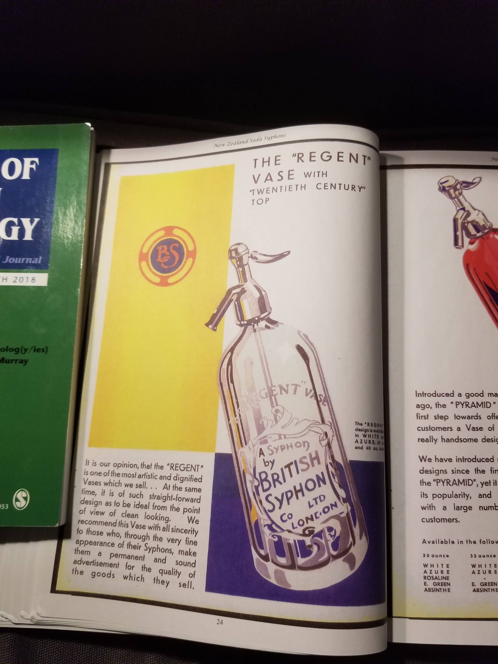 |  | 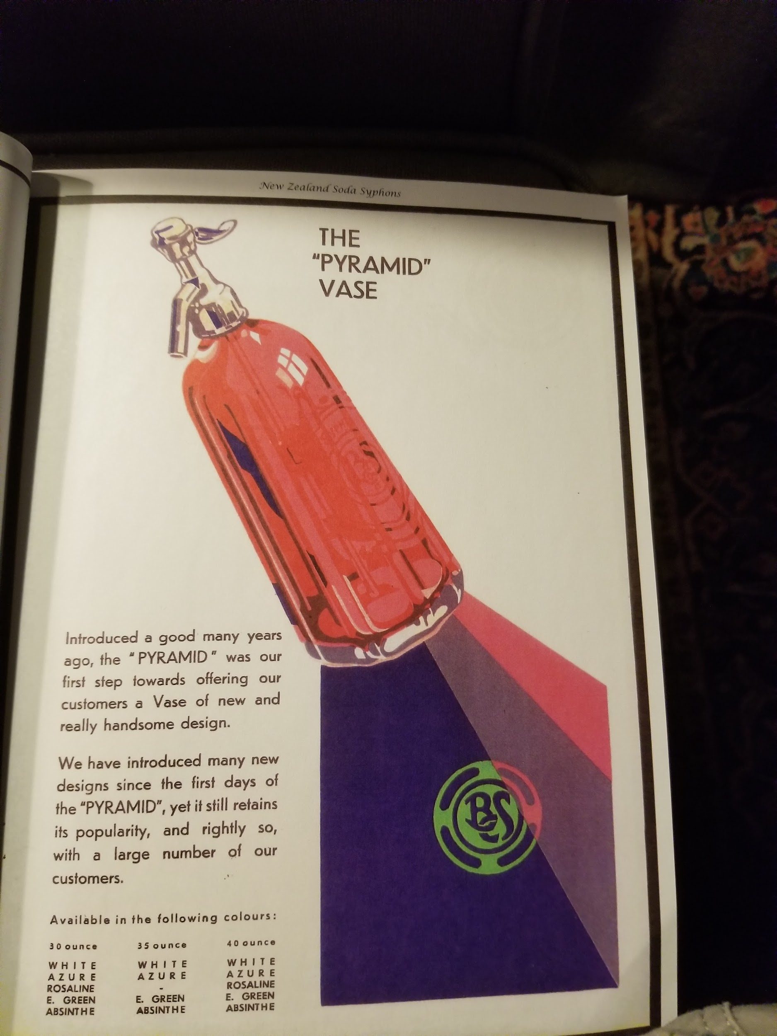

Prairie Green? | Absynthe green | Eugster green | Vaseline/Uranium Green |  | Emerald Green |  | Parisian Green (?)
 |  | 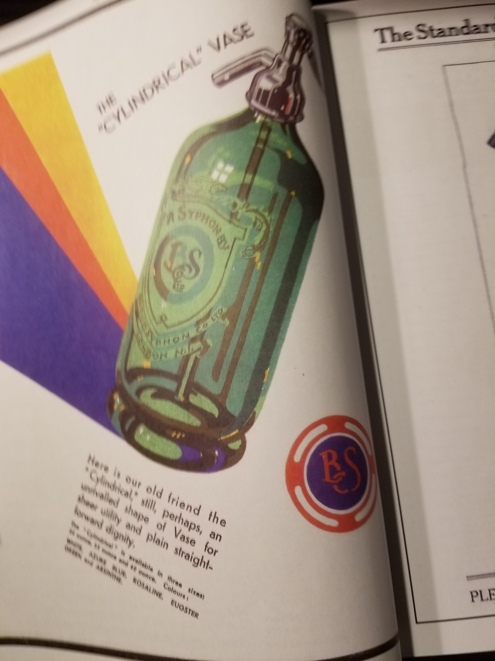

Cornflower Blue | Turquoise |  | Azure Blue |  | Blue | Cobalt Blue | Midnight blue
 |  |  |  | 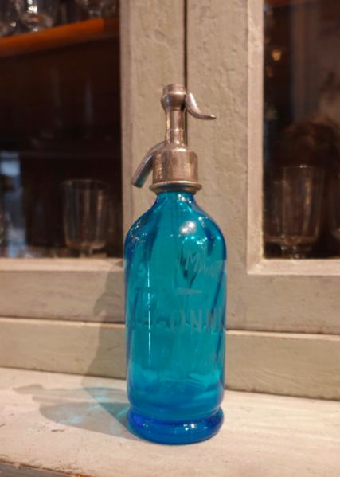

Producteur/Auteur | Couleur
Cazaubon | blanc | bleu |  | vert |  |  |  | jaune
Cirier-Pavard |  | bleu |  | vert parisien | vert Ida | absinthe | grenadine
Crama | blanc | bleu clair |  | vert clair |  |  | rosalin | citron
Durafort | blanc | bleu
Gendry |  | bleu clair |  | vert parisien |  | absinthe | rose Aline | jaune
Gilles | blanc | bleu clair |  | vert |  | absinthe (dichroïde) |  | jaune-topaze
Gonzales | blanc | bleu | bleu foncé |  | vert prairie | vert-absinthe | rose
Guyot | blanc | bleu ciel | bleu foncé | vert parisien | vert prairie | absinthe (dichroïde) | grenadine | jaune-topaze
Hermann-Lachapelle | blanc | bleu |  | vert |  | absinthe |  | jaune
Hunt |  | bleu céleste |  | vert parisien
Legras | blanc | bleu |  | vert |  |  |  | jaune
Roret |  | bleu |  | vert |  |  |  | jaune
Theissier | blanc | bleu |  | vert parisien |  | absinthe | grenadine-rose

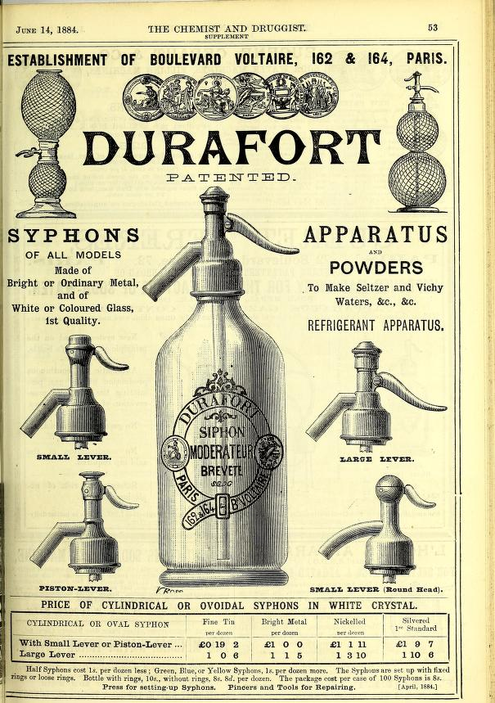
colours: White: extra for Green, Yellow,Blue for cylindrical or Ovoide
4 head types 4 head metals, unsaid:size cl |  | Still Ovoides!

Sheet5
SHAPES
 | 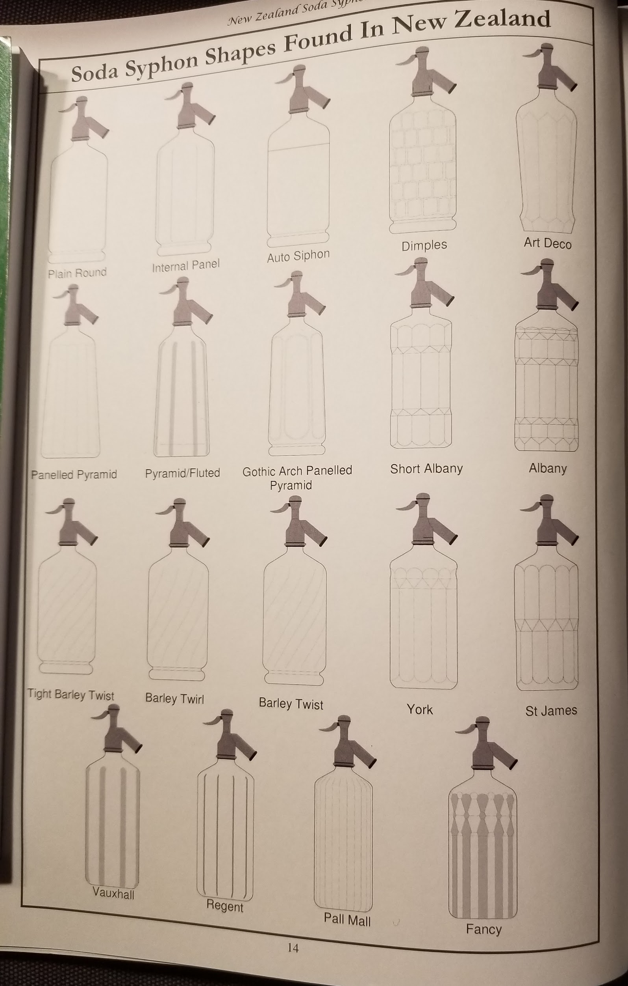 | 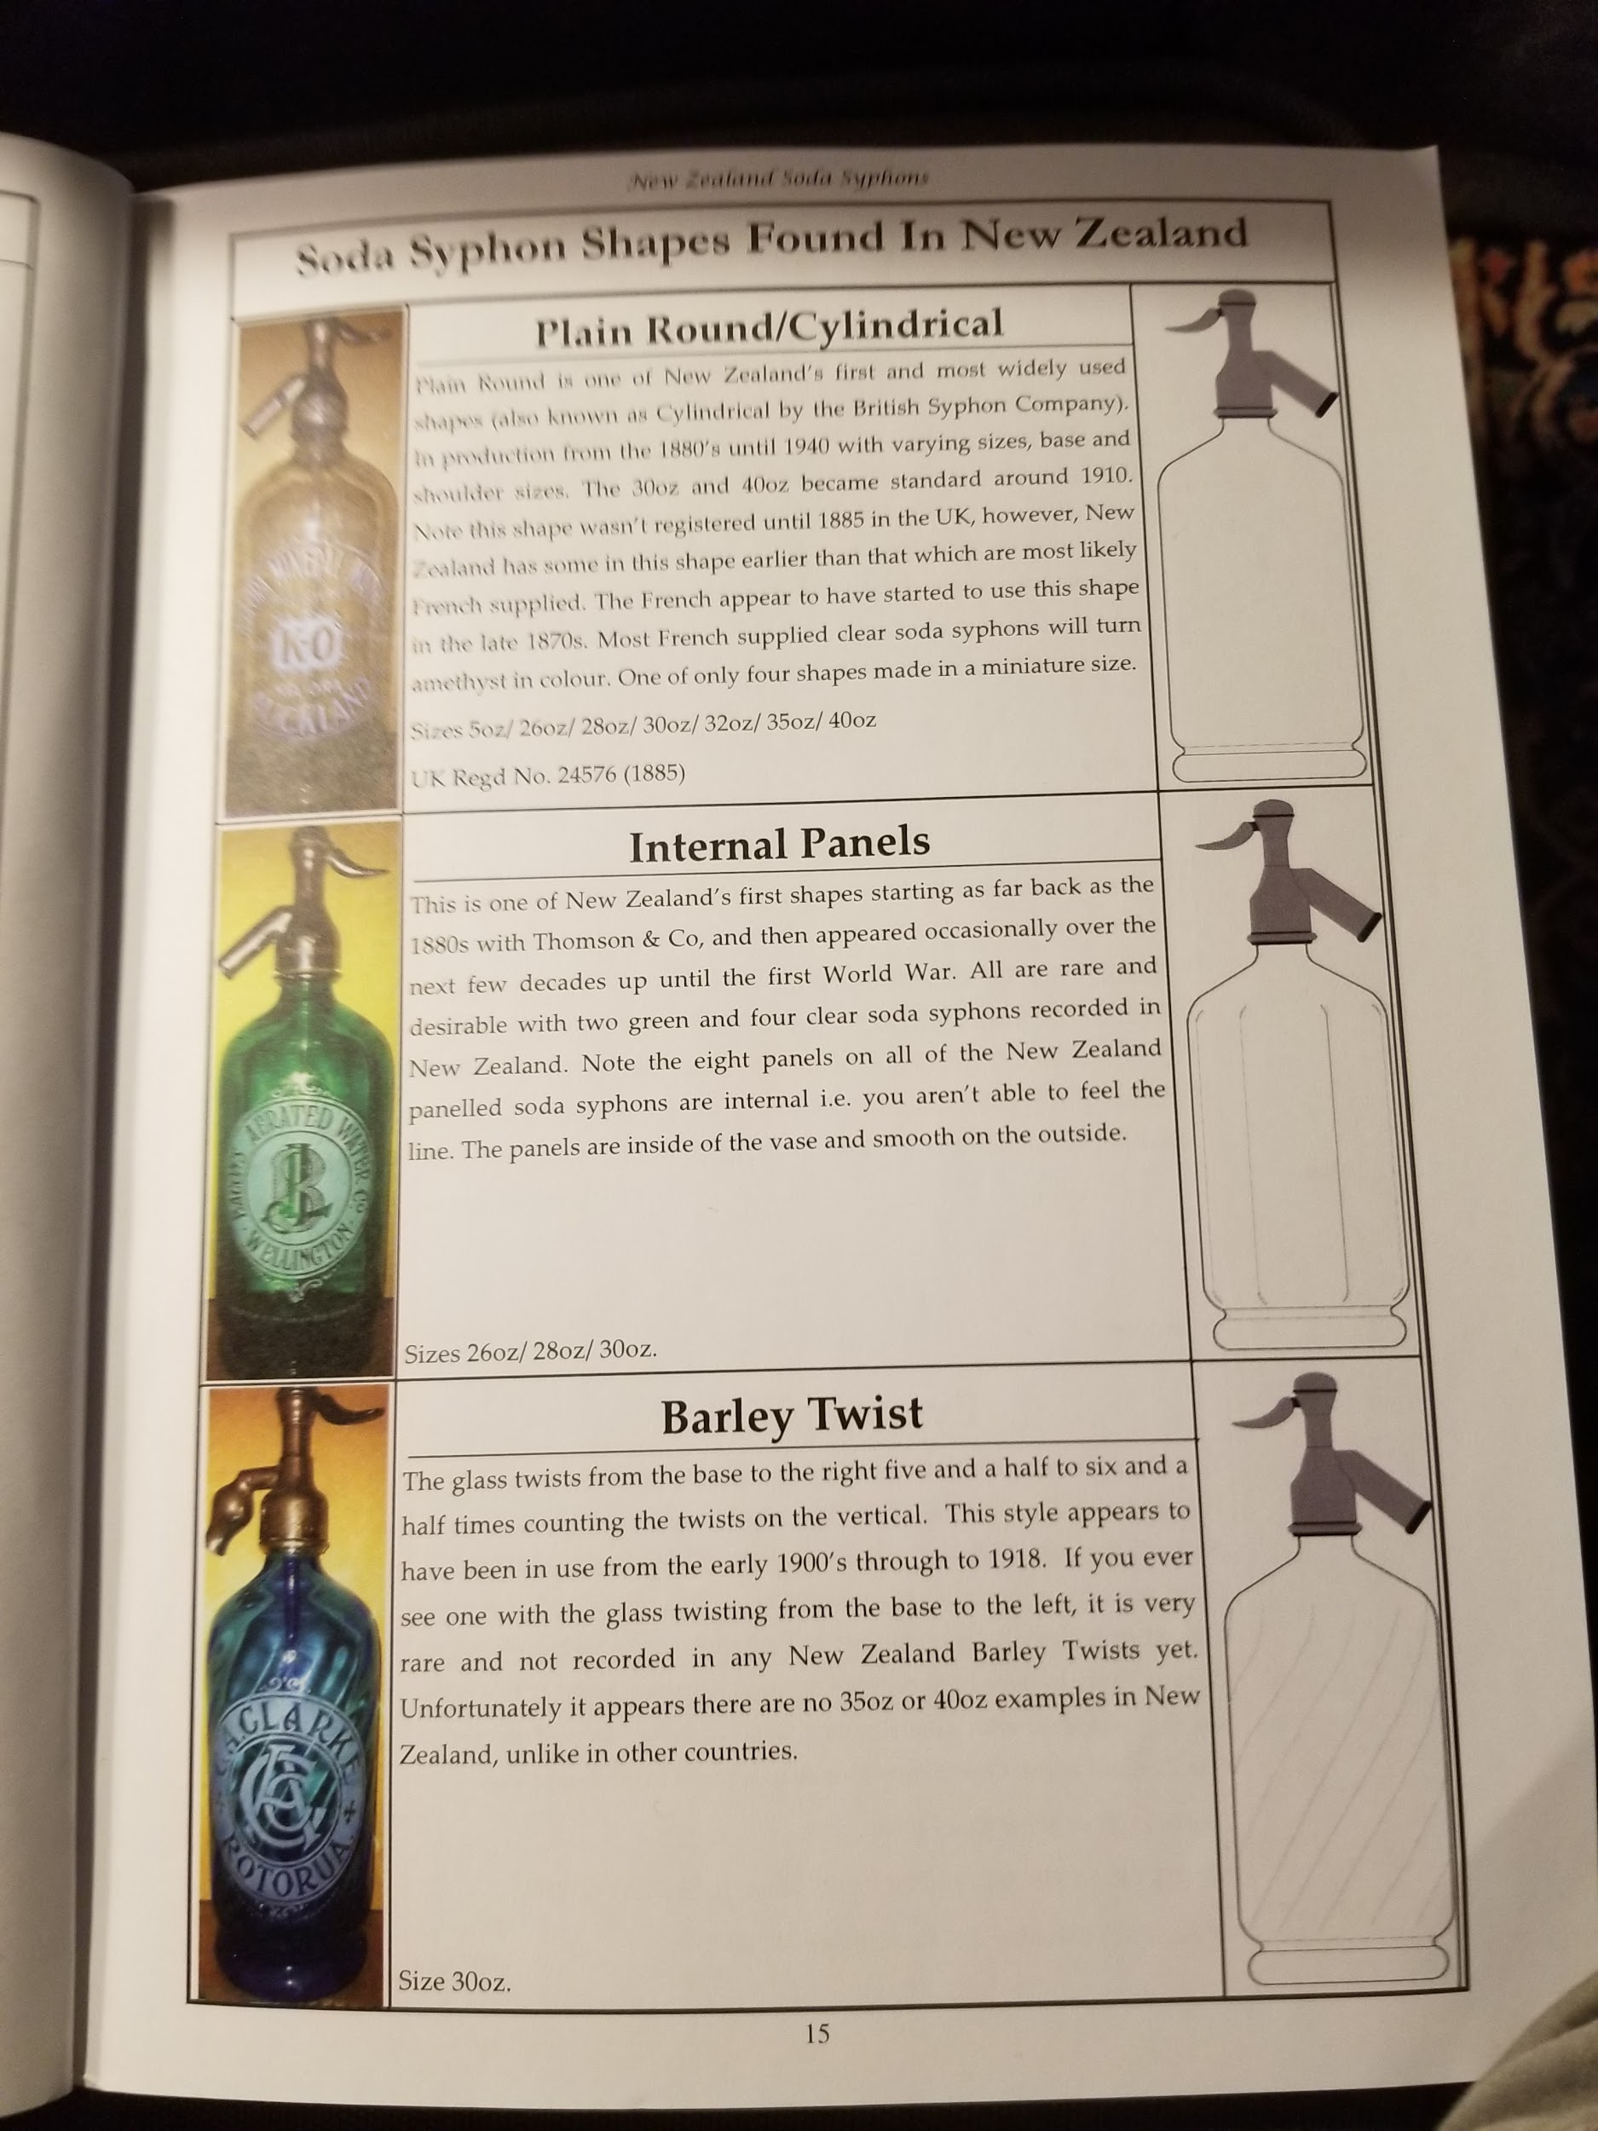 | 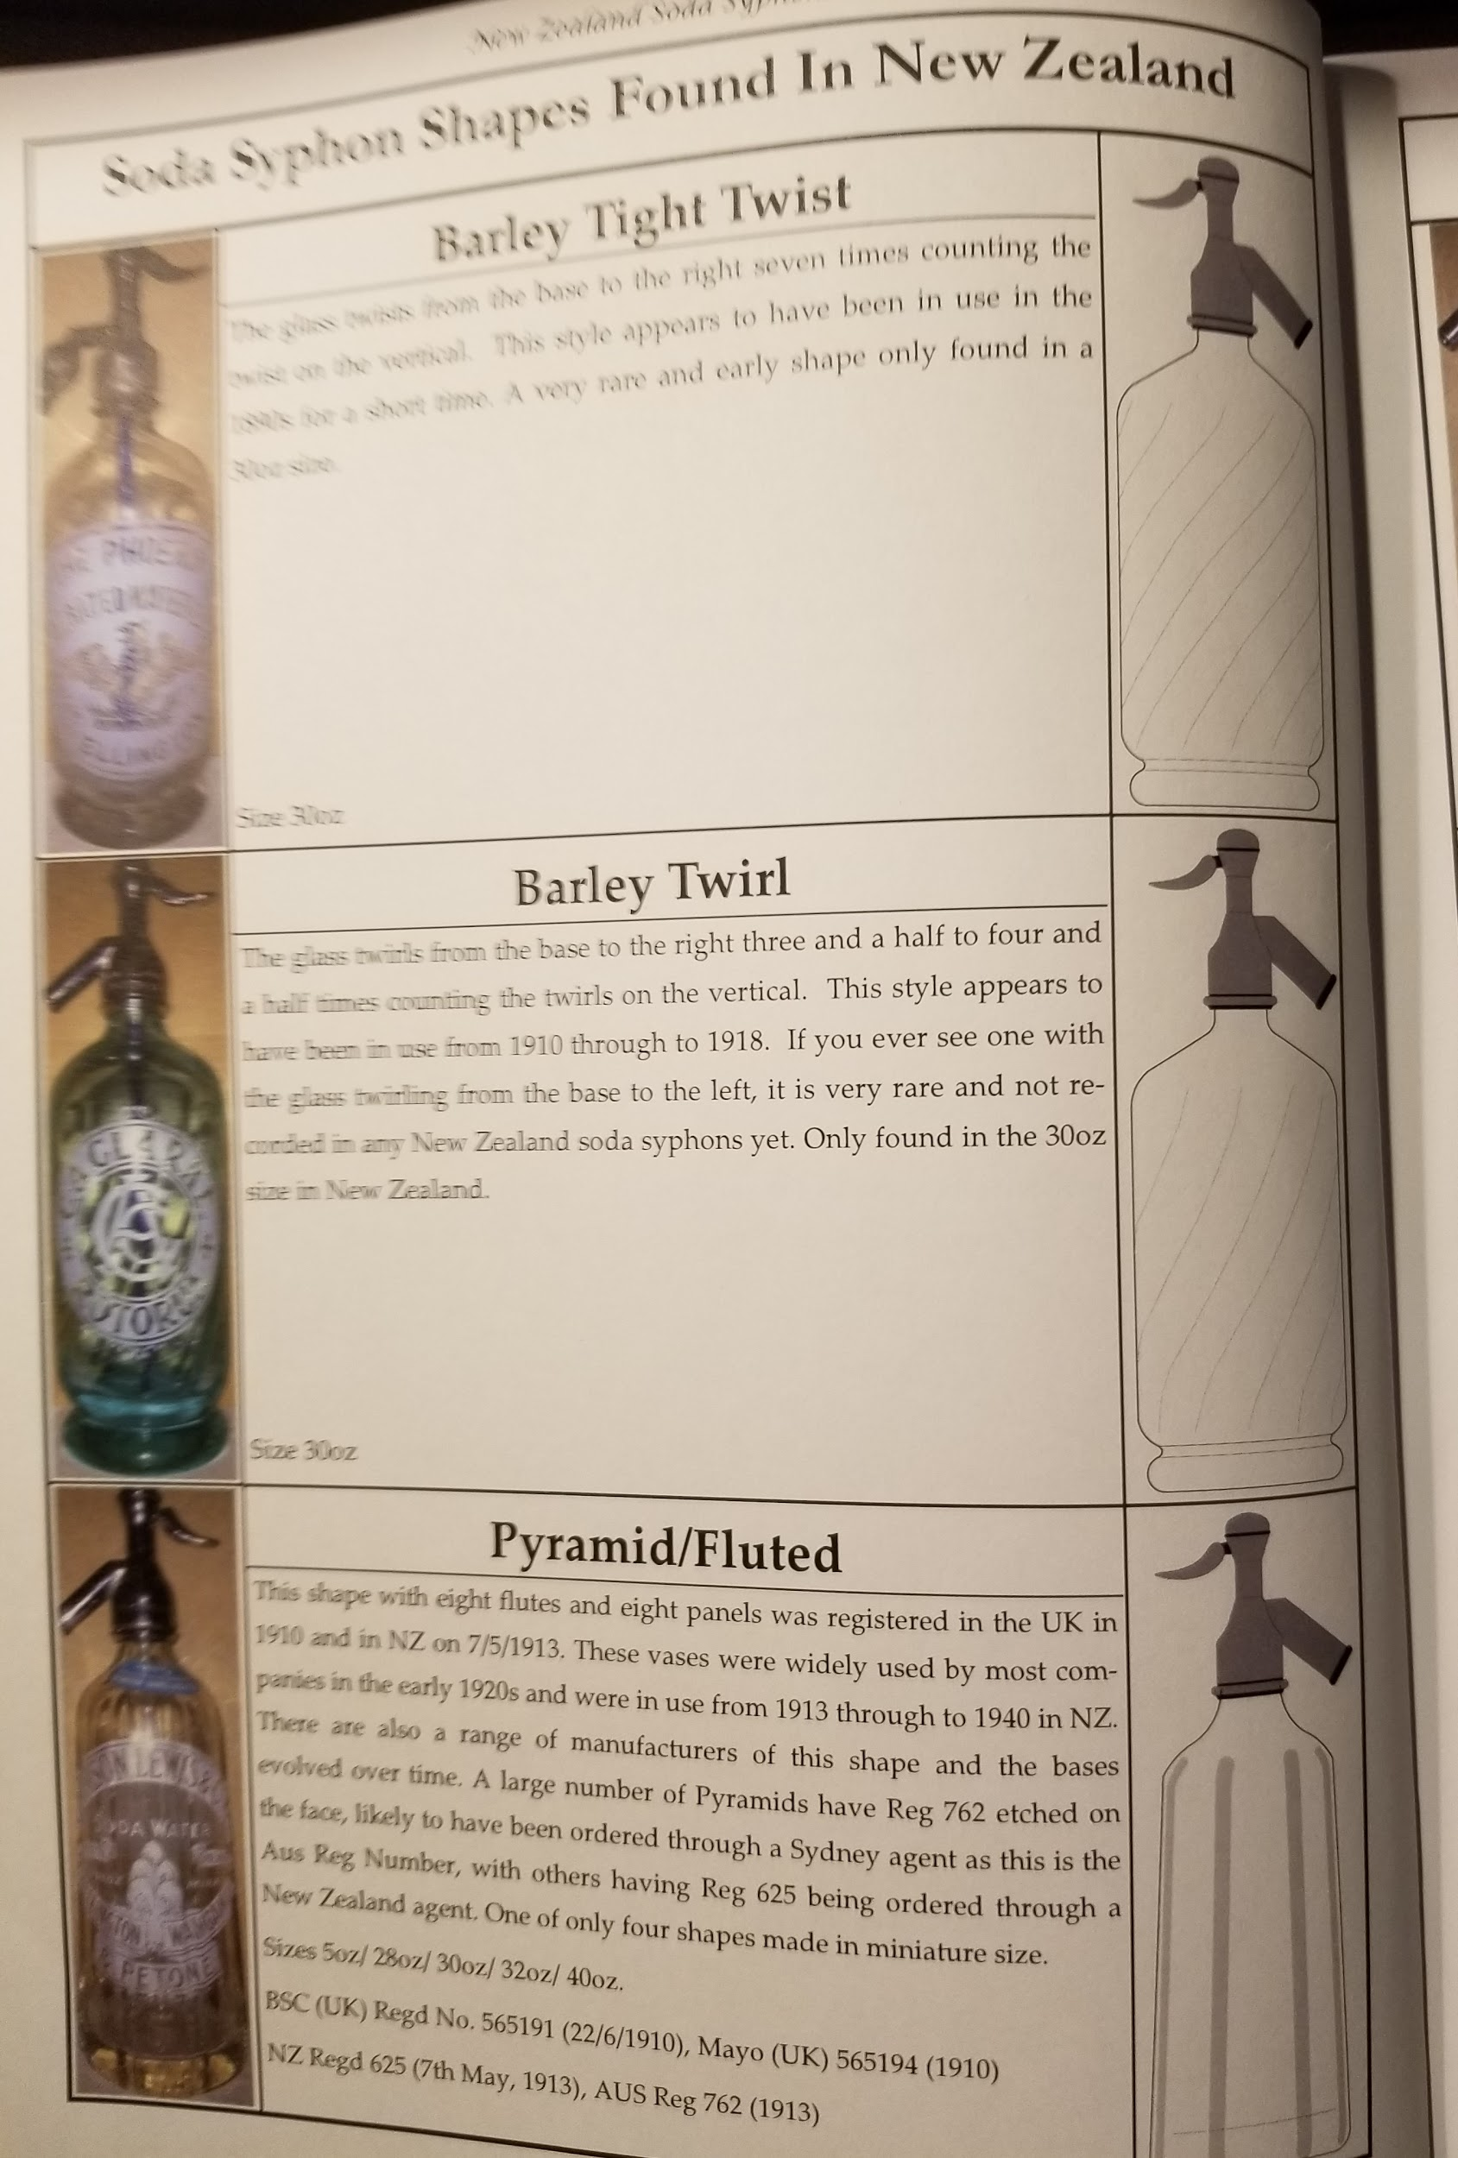 | 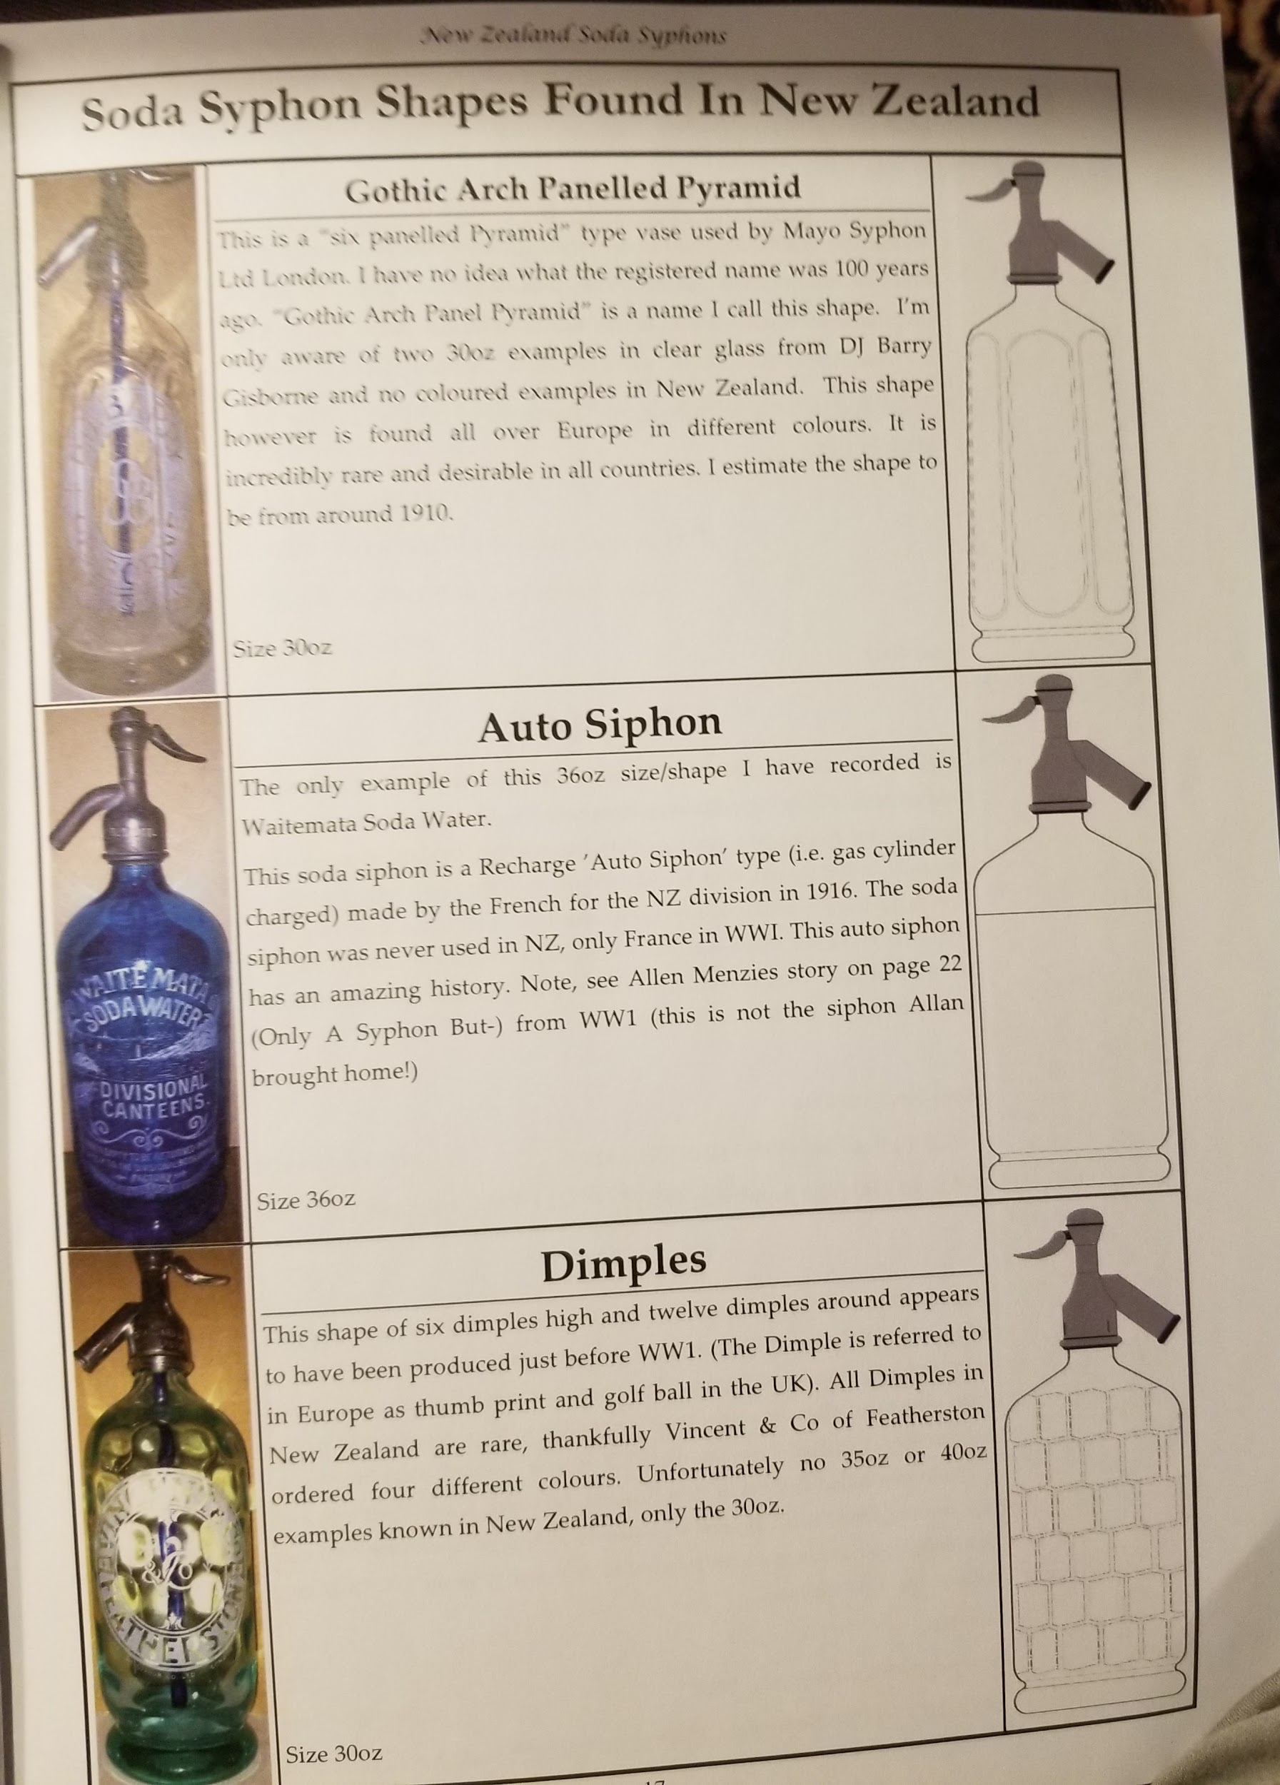 | 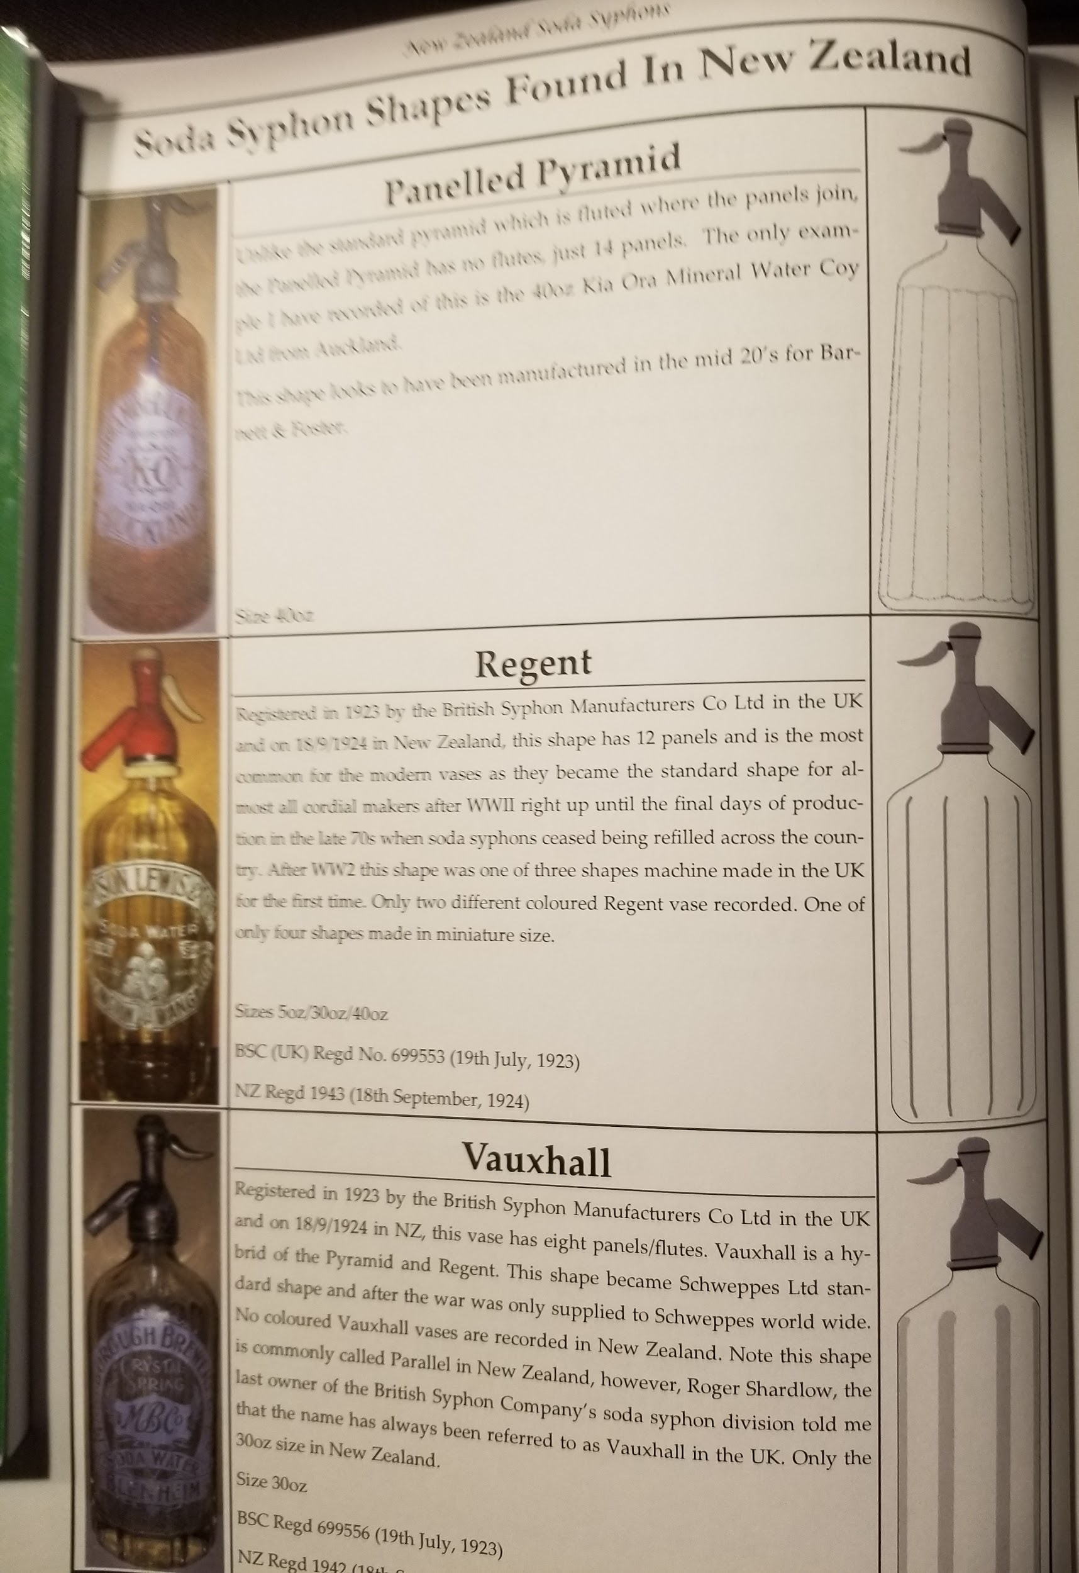 | 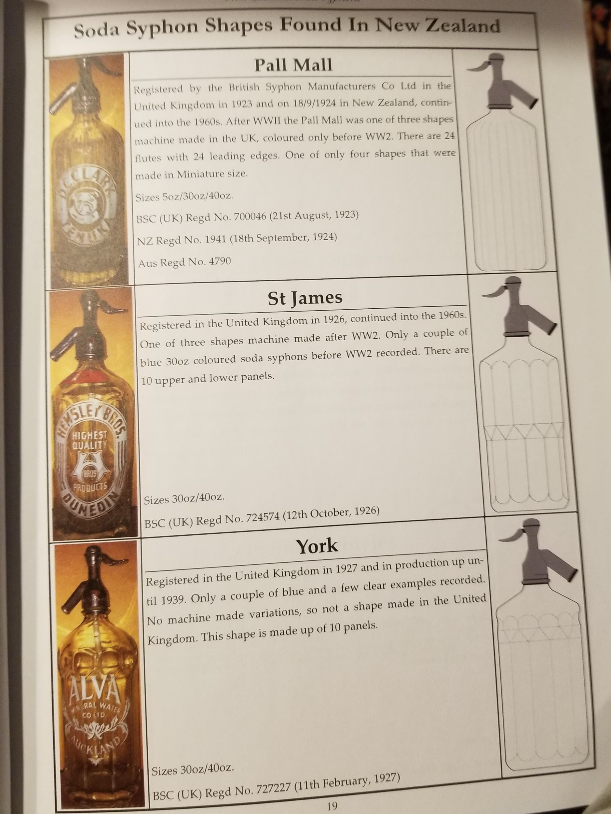 | 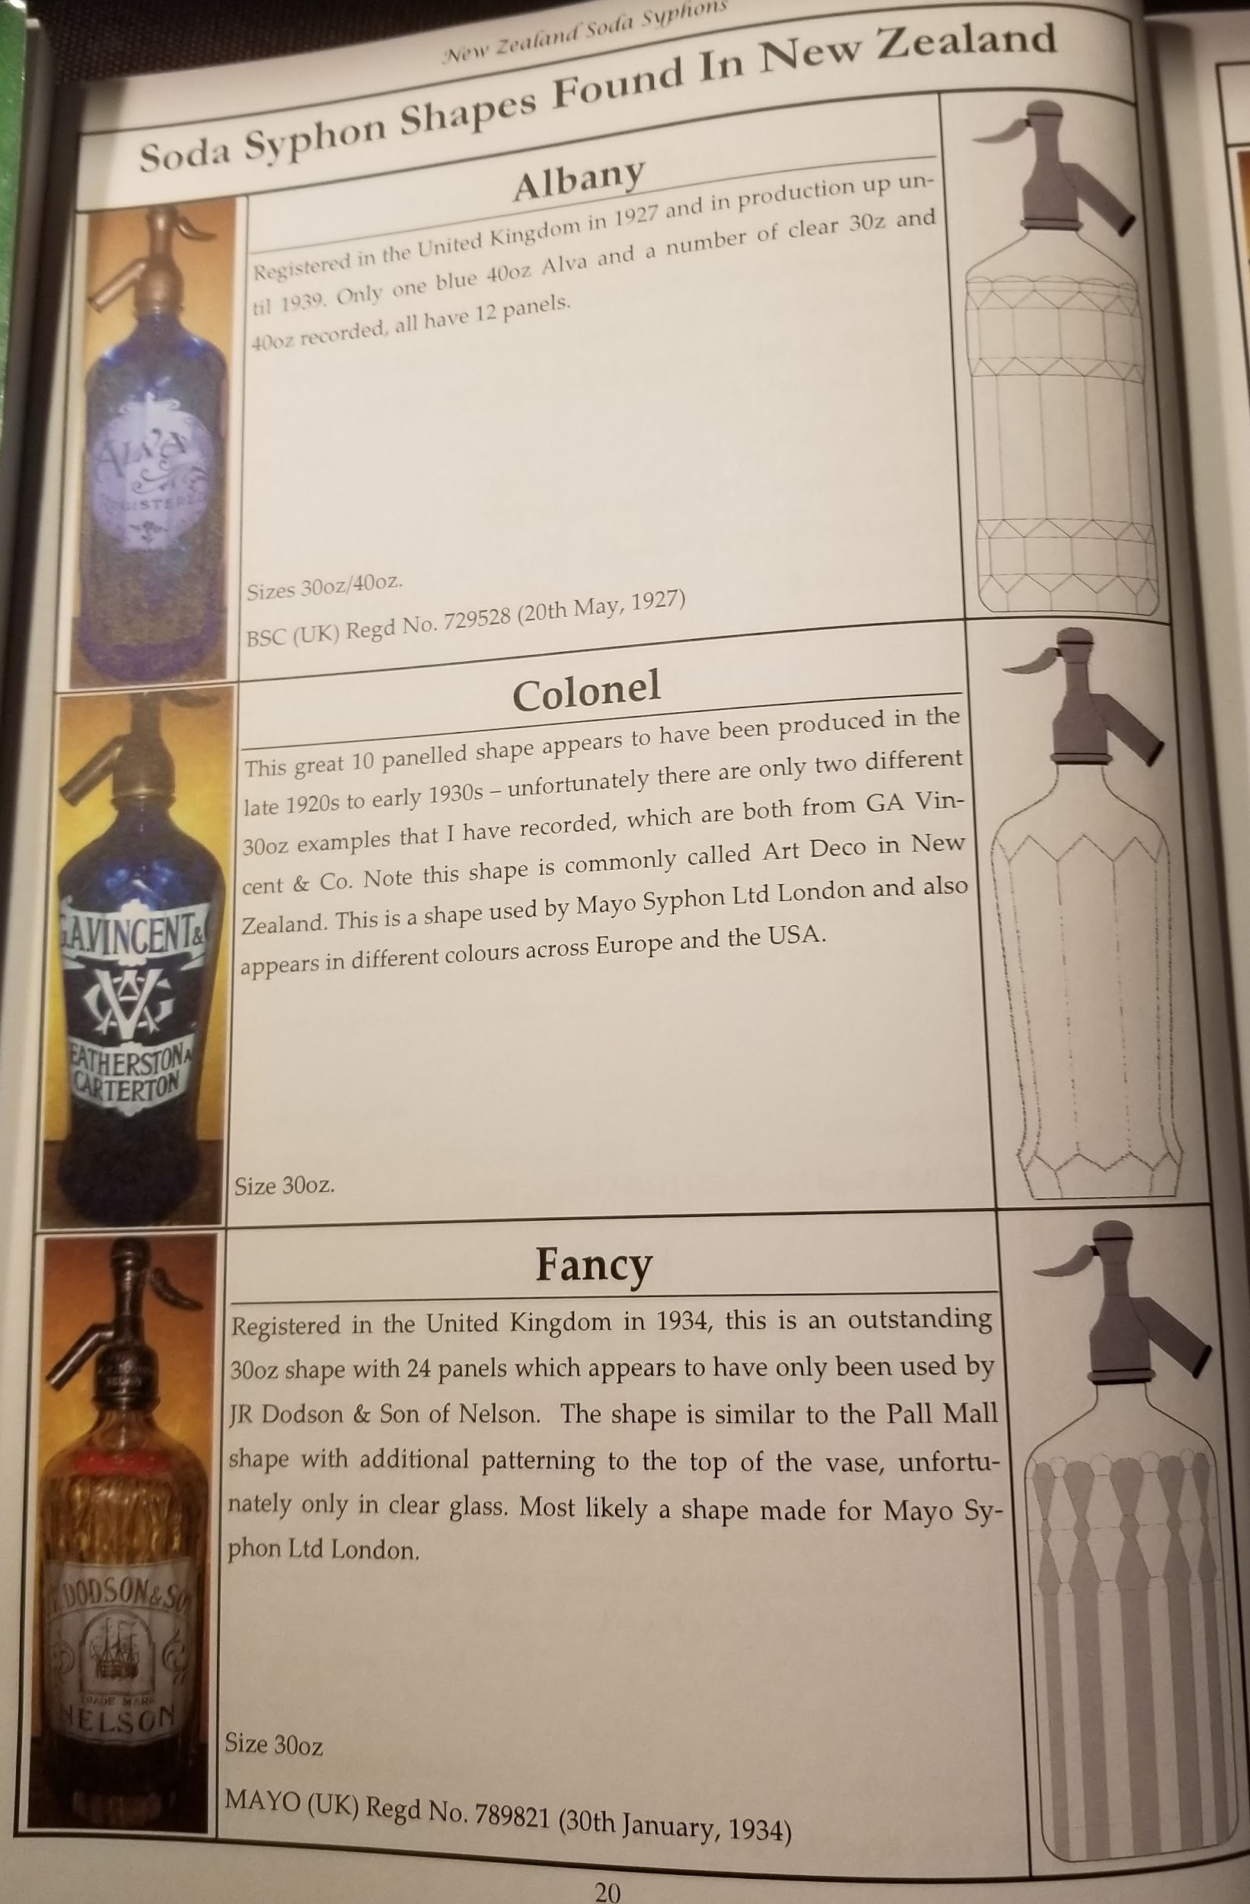
 | 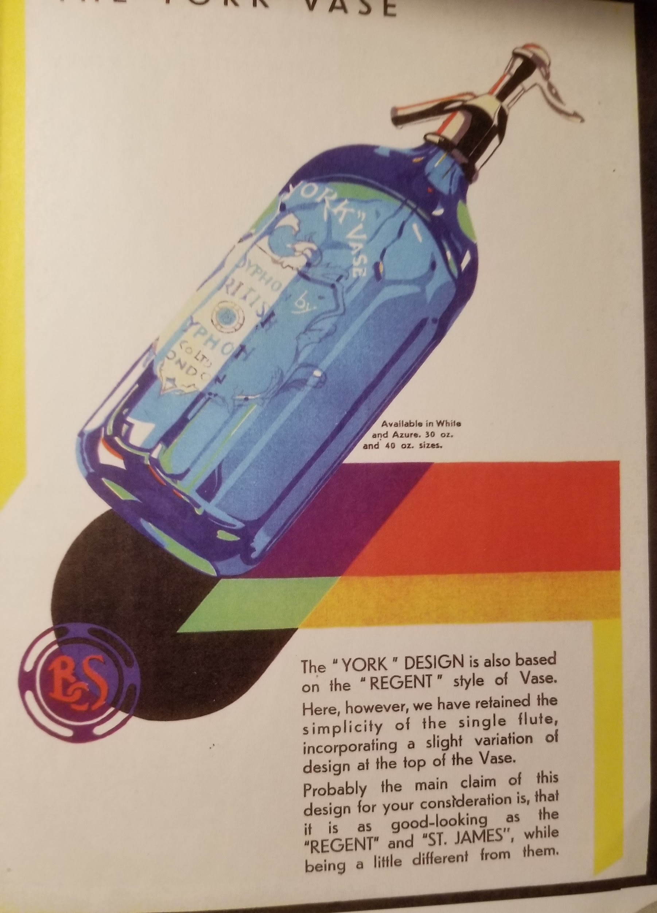 | 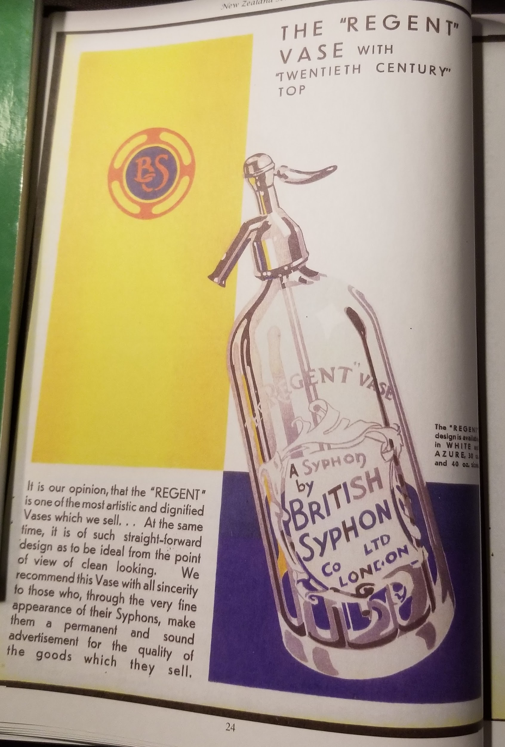 | 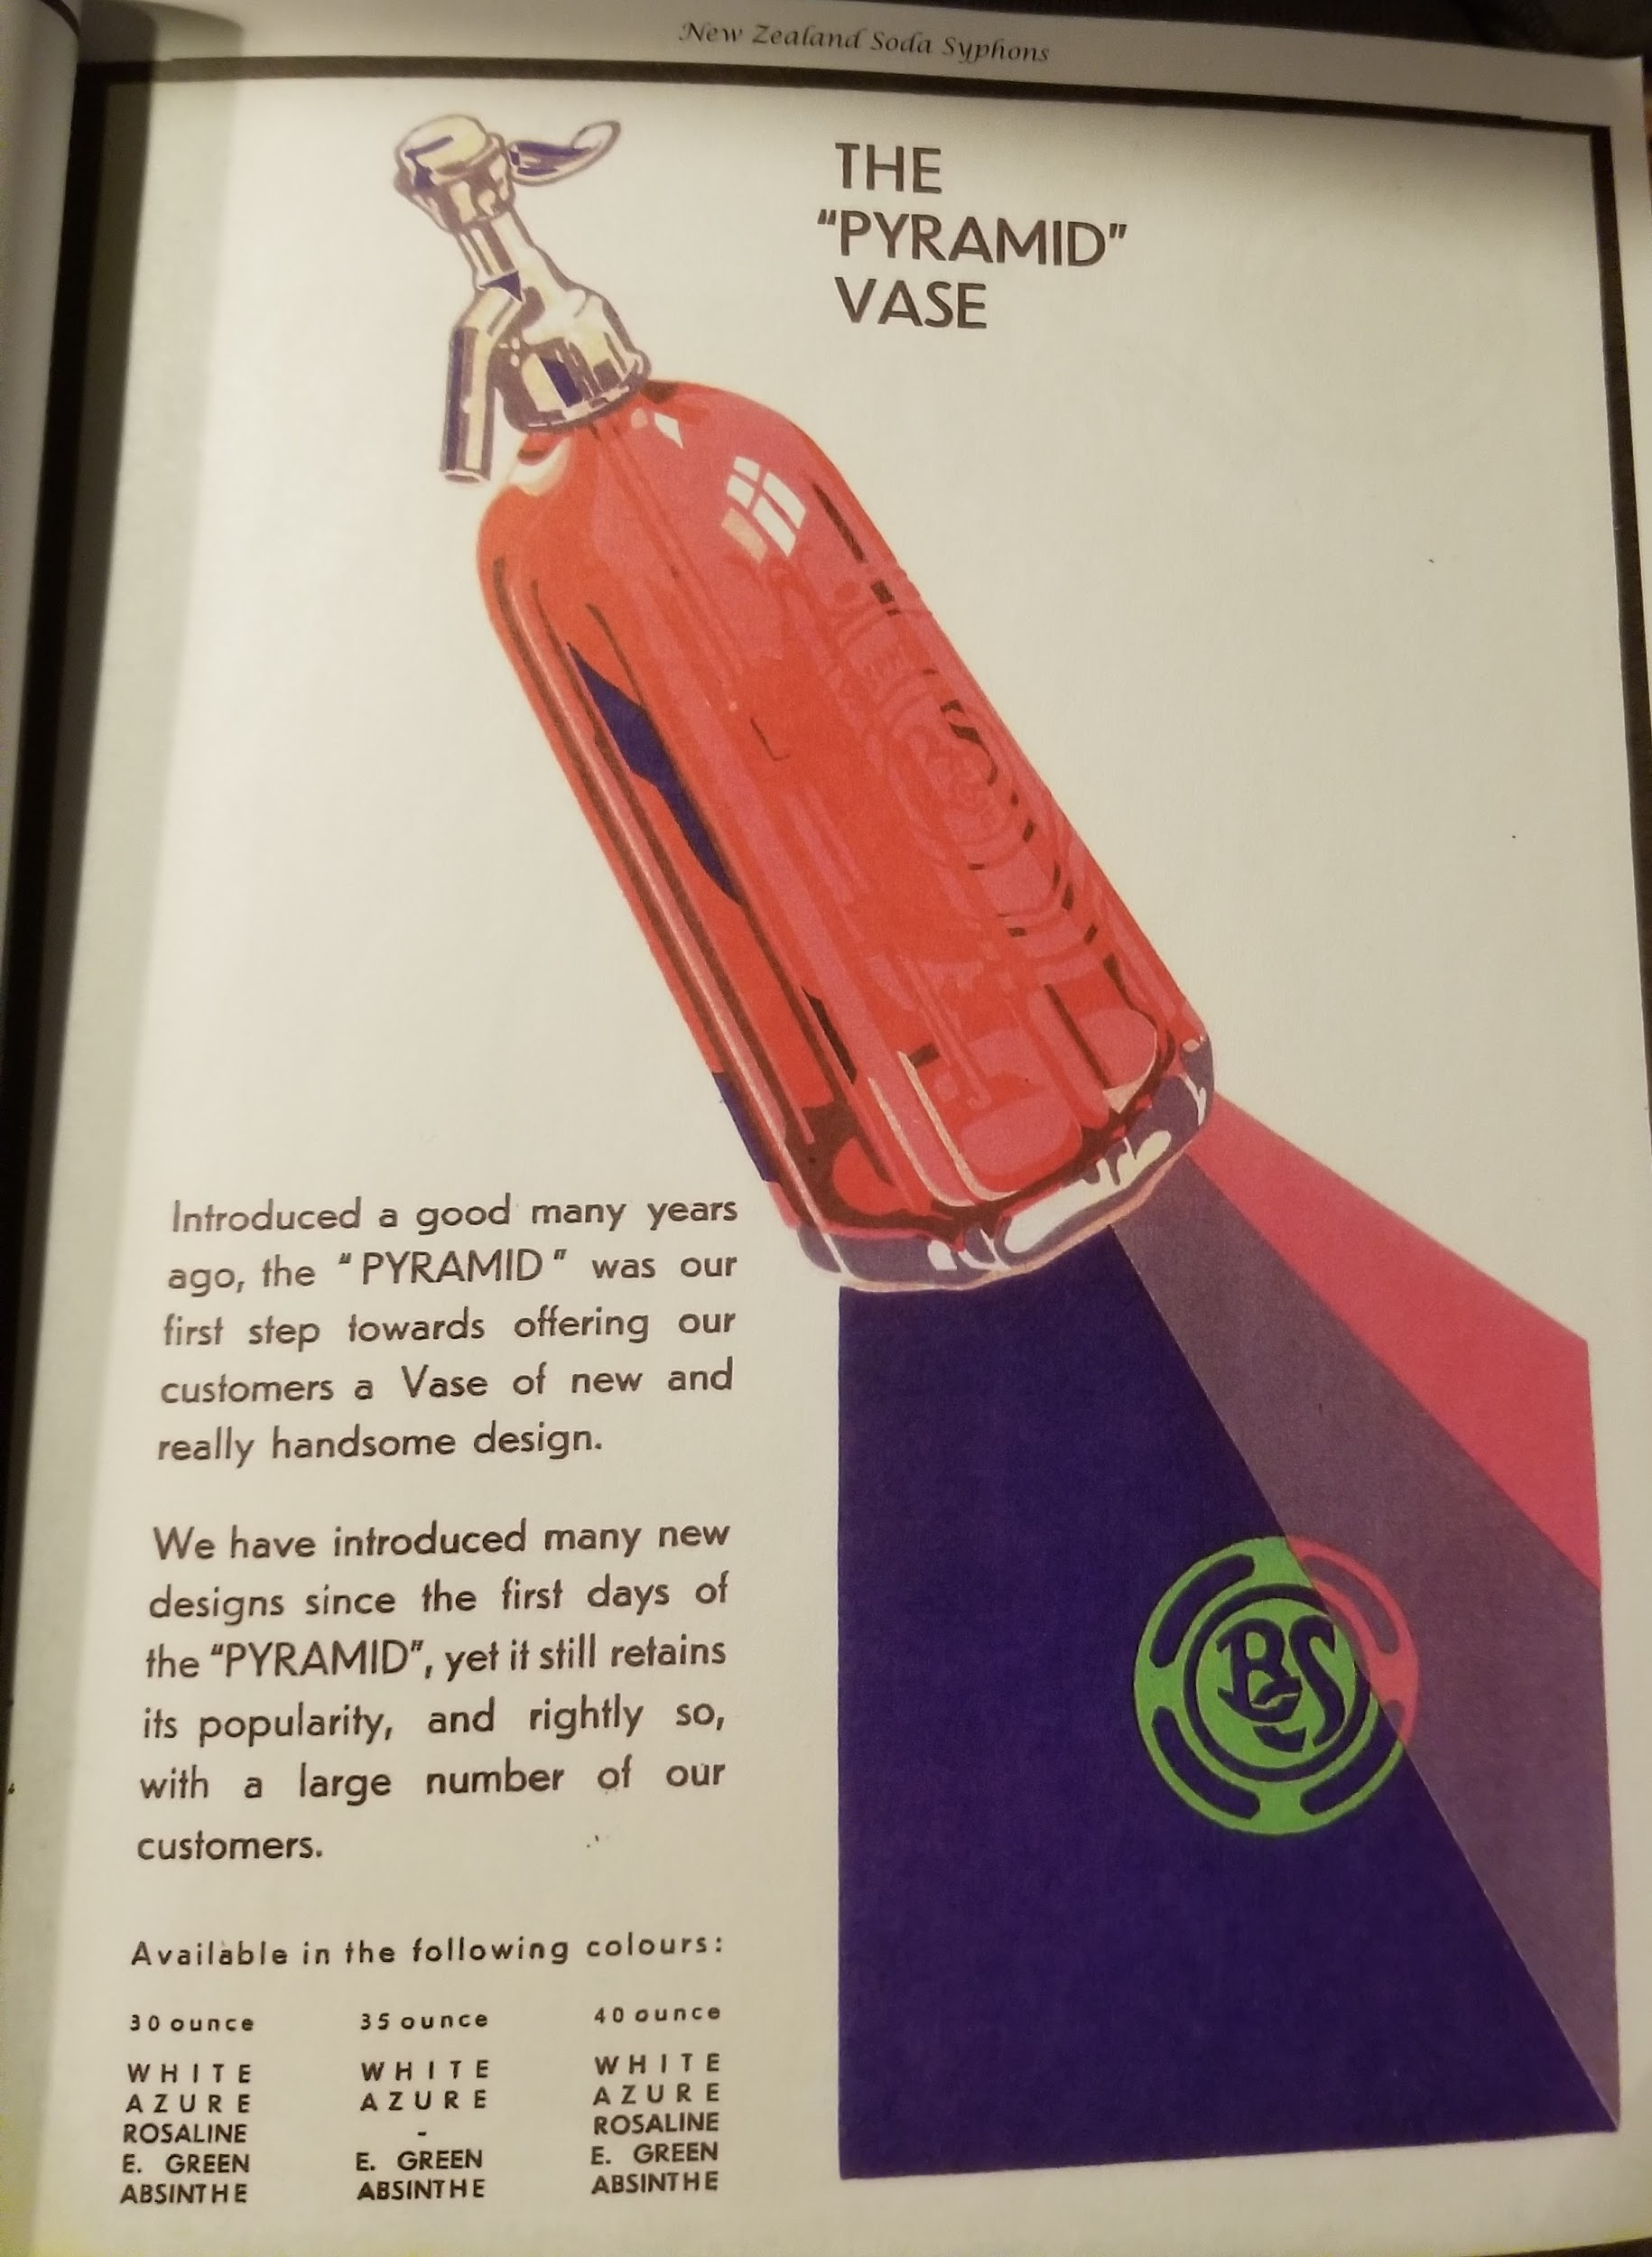 | 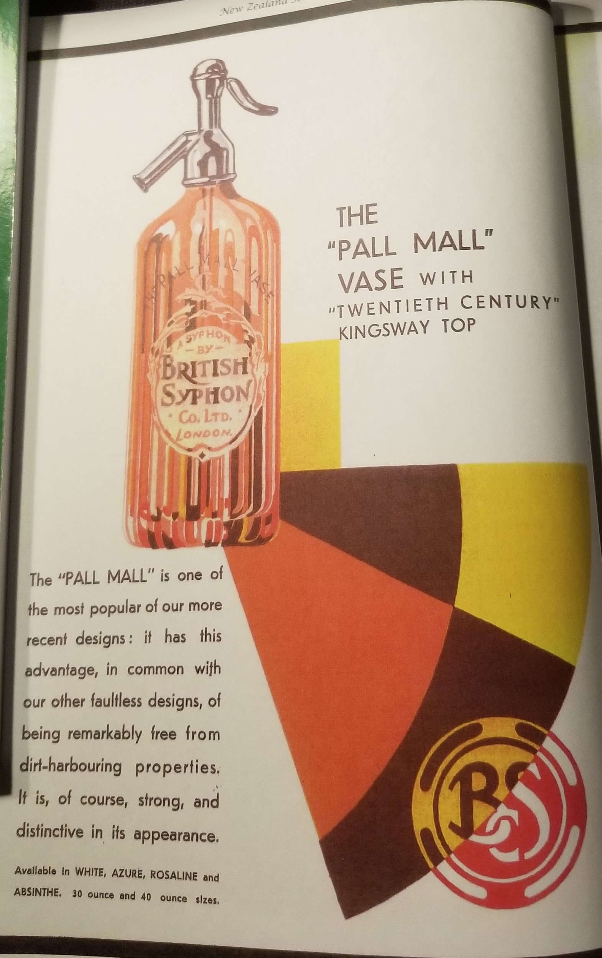 | 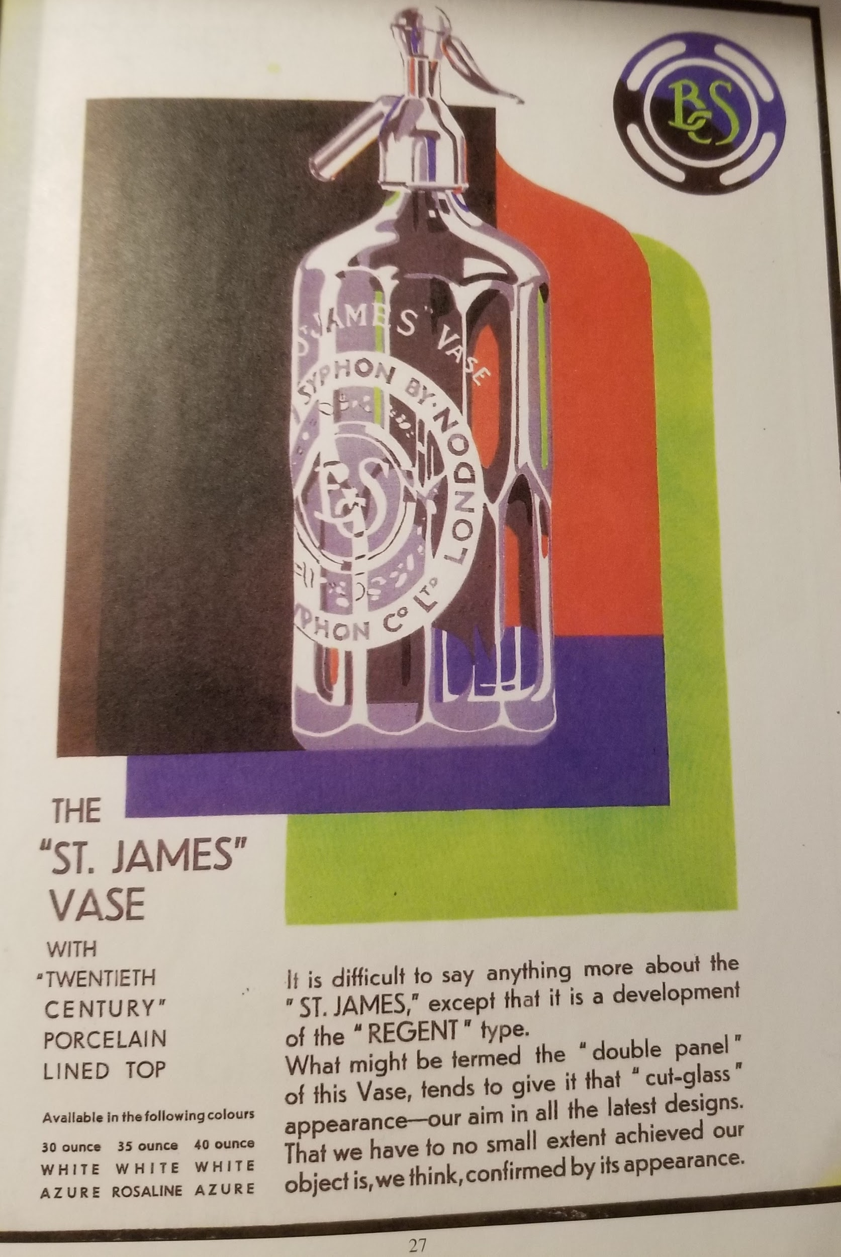 | 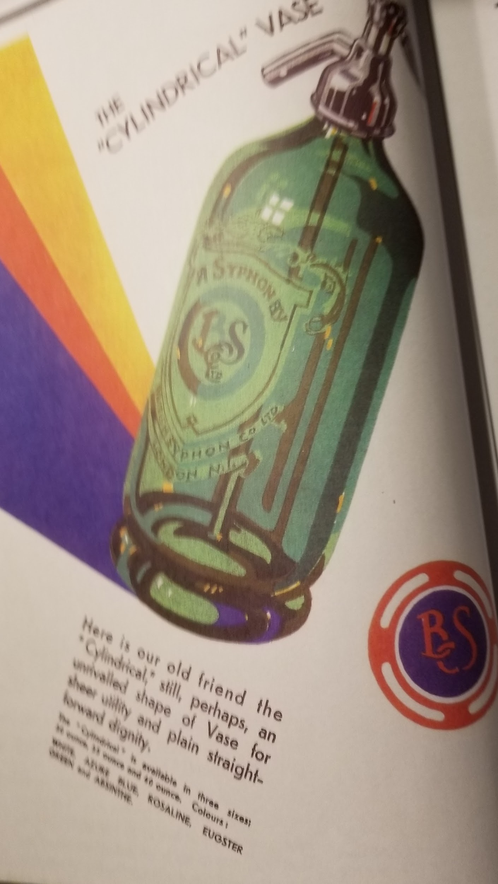 | 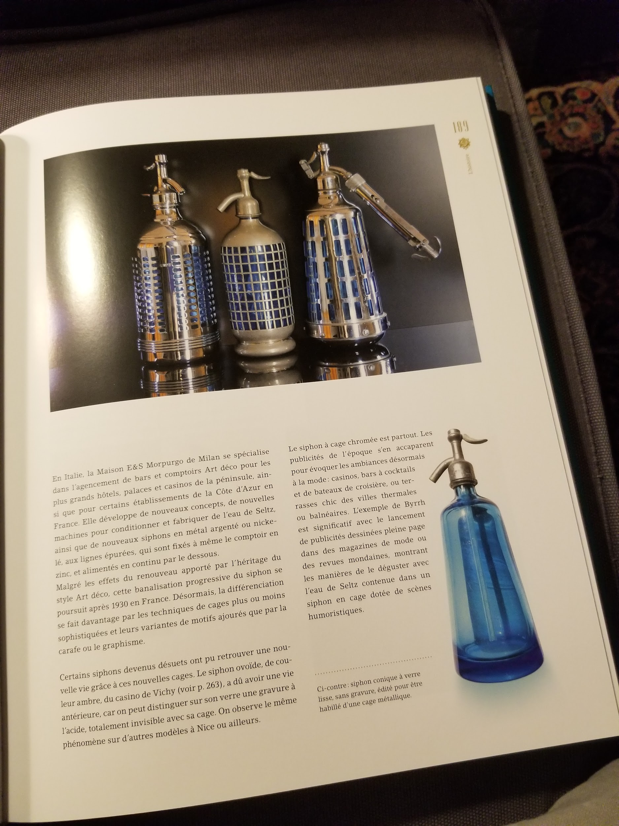

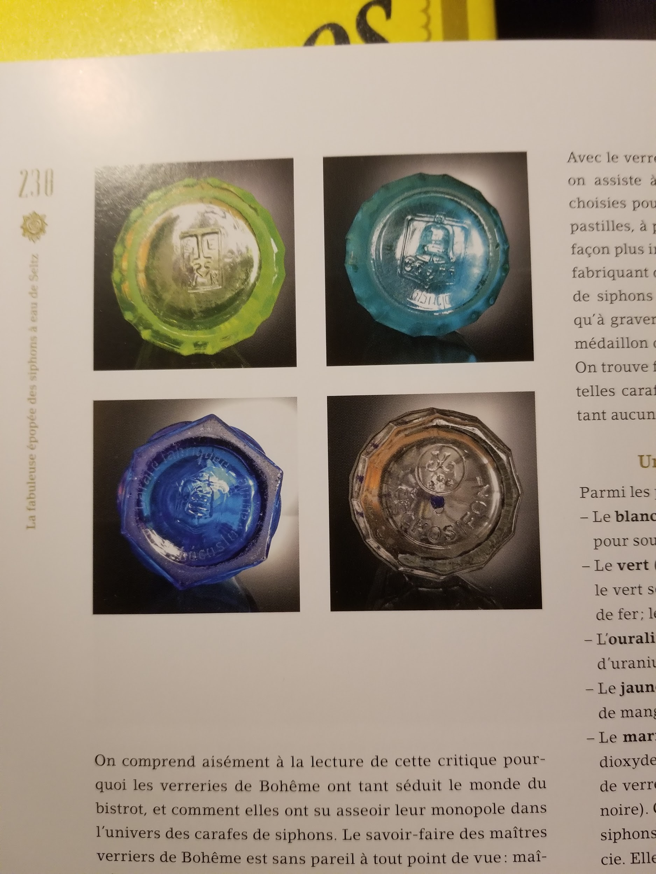 |  | 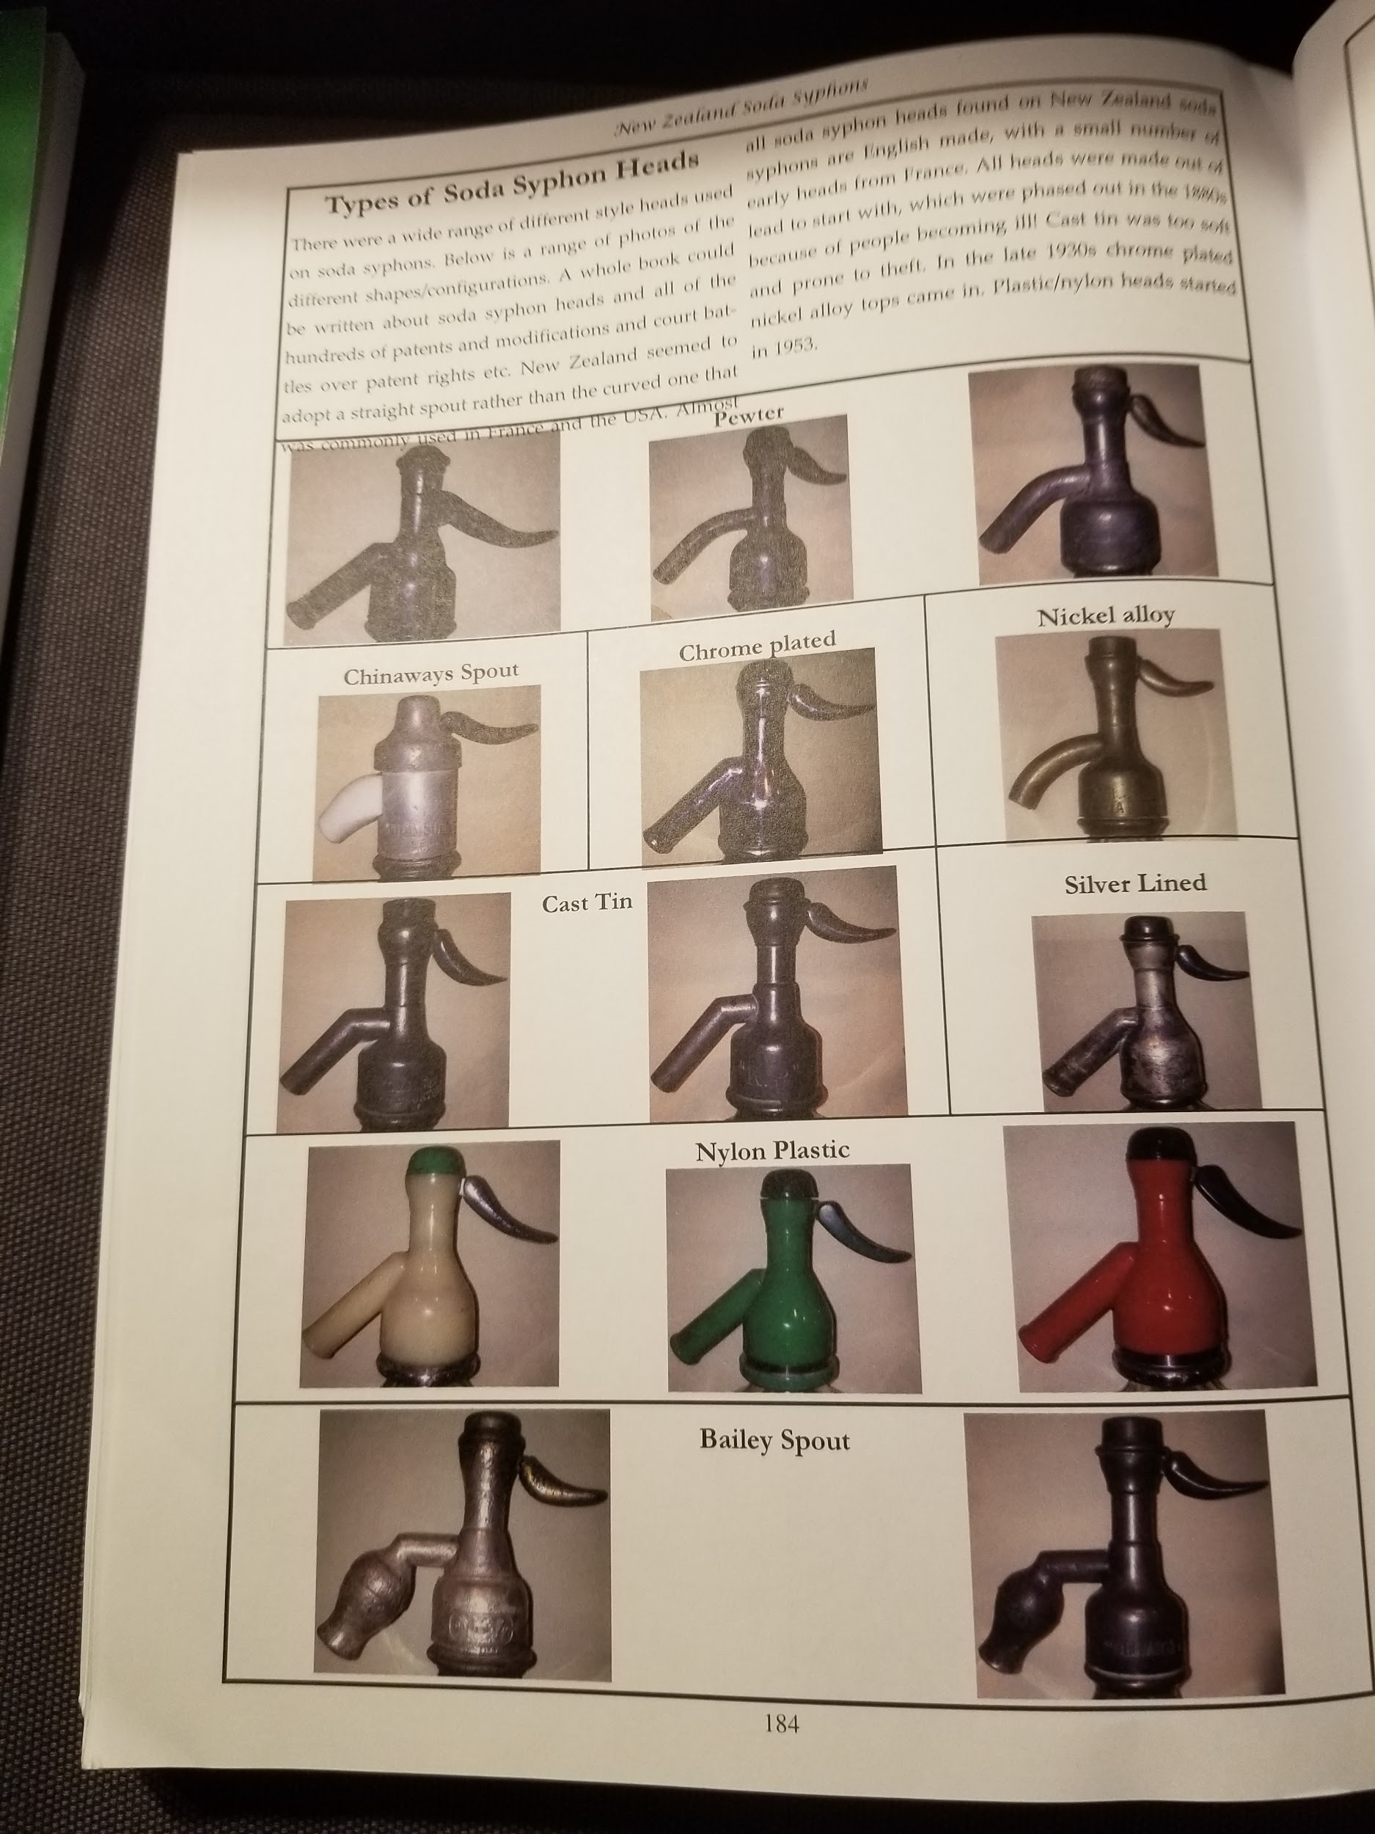 | 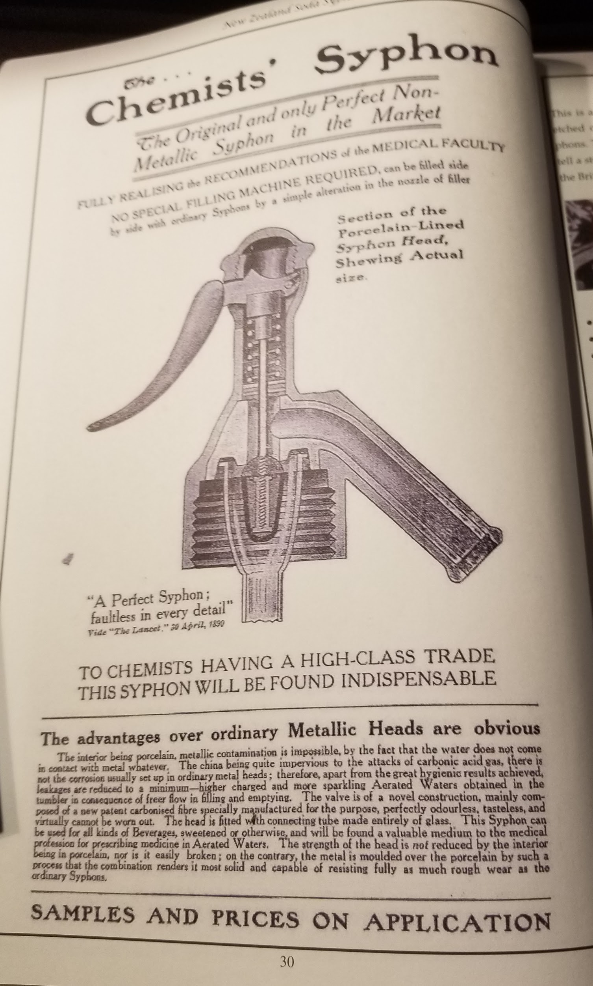 | 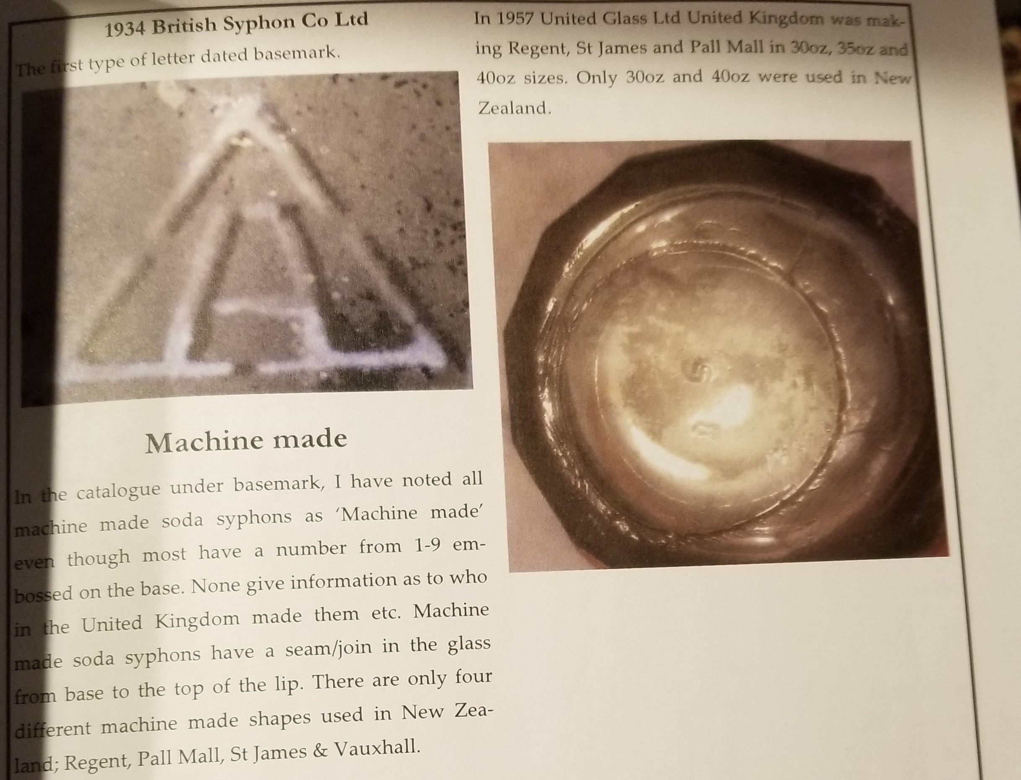 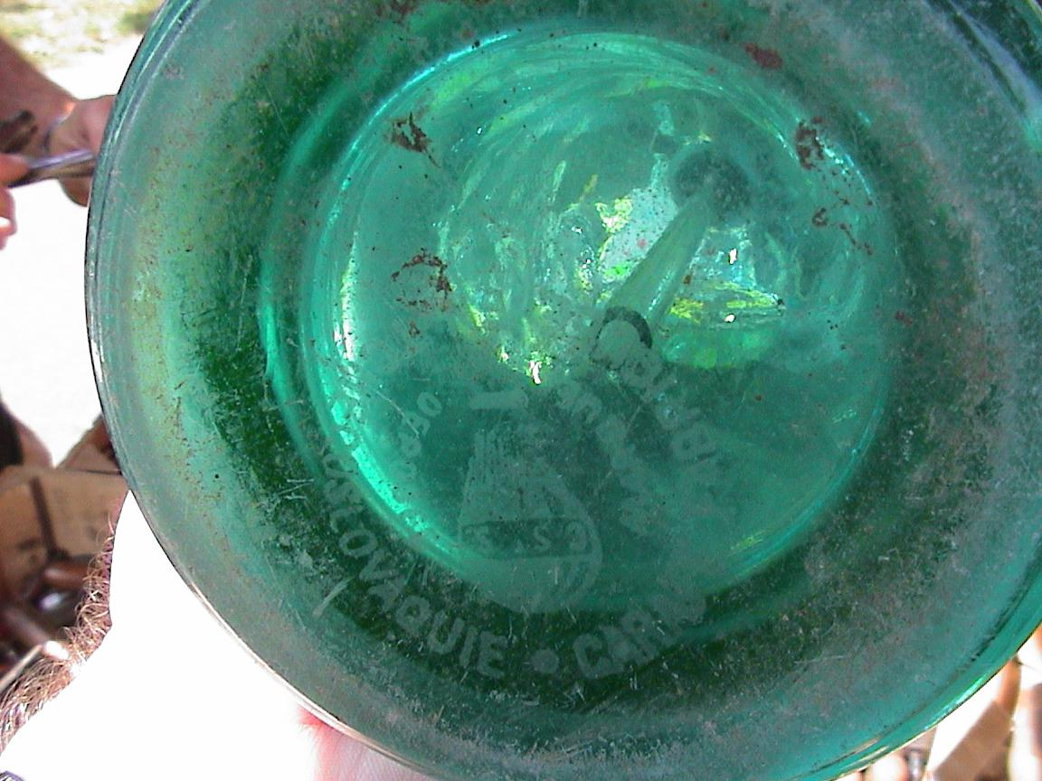 |  | 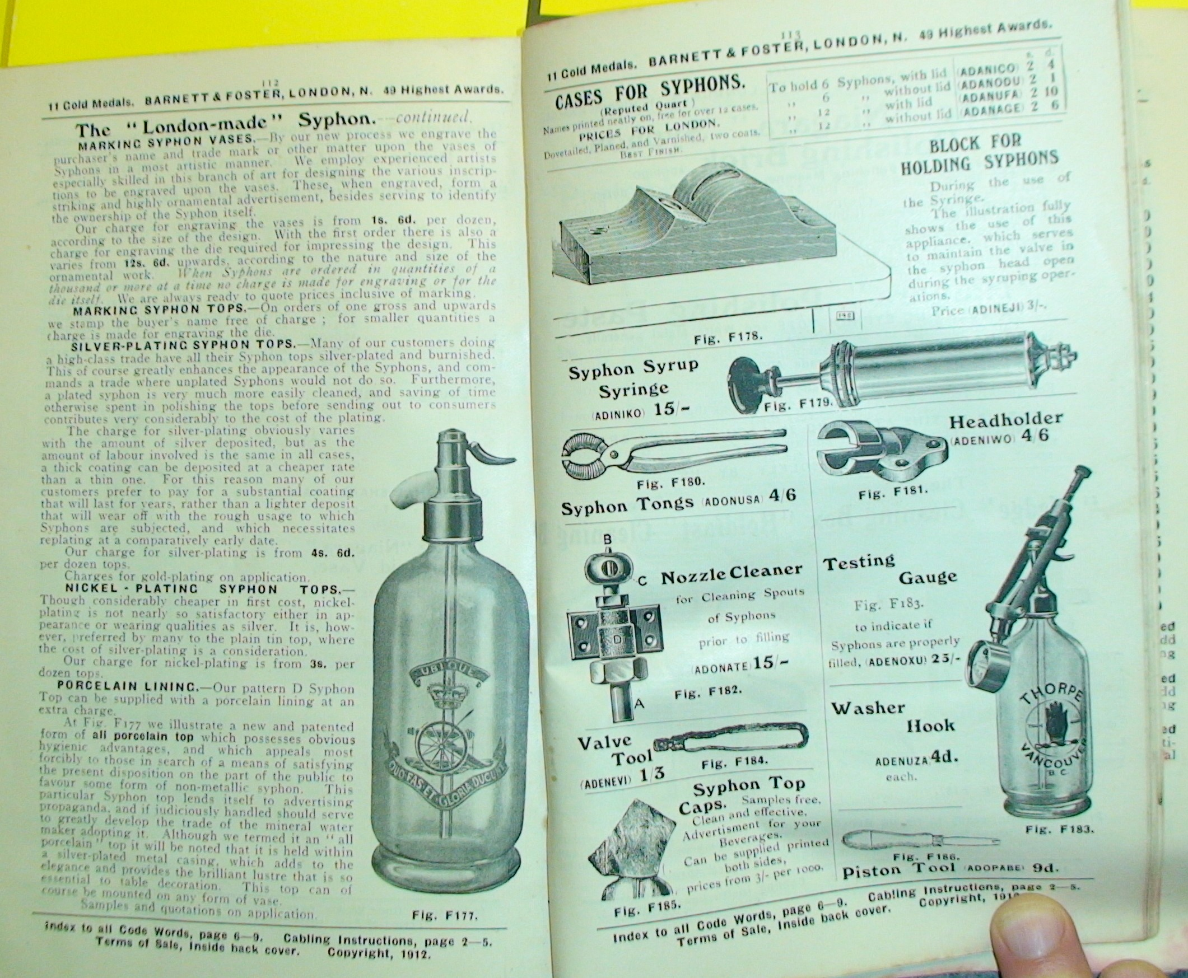

Sheet9
